Power Wattage Calculation
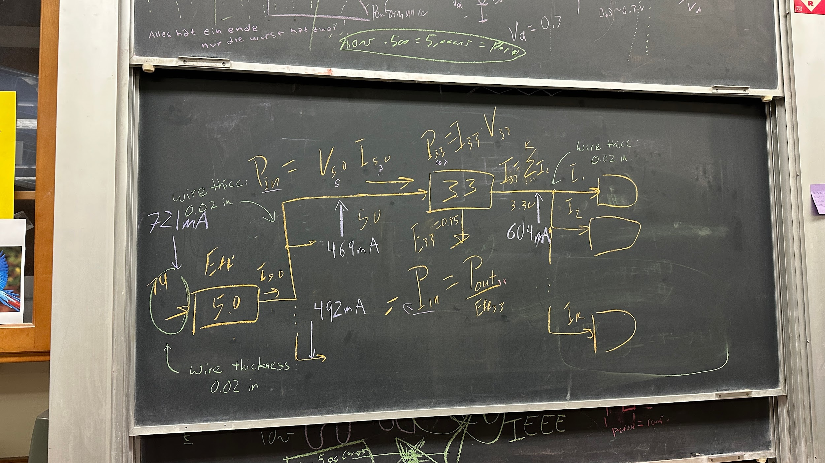
Subsystem | Name | Operating Voltage (V) | MAX Operating Current (mA) | Total Current (A) | Power (W) | Total Power (W)
MCU | ATmega2560-16AU | 5.0 | 200 | 1.096 | 1.000 | 4.4522
GPS | NEO-6M GPS Module | 5.0 | 50 |  | 0.250
LCD | QD3501 | 5.0 | 120 |  | 0.600
AIR QUALITY | MQ135 | 5.0 | 1 |  | 0.005
I/O | Rotary Encoder | 5.0 | 1 |  | 0.005
 | Red LED x 4 | 5.0 | 100 |  | 0.500
POWER | BUTTON, LED | 5.0 | 20 |  | 0.100
VITALS | MAX30102, 3.3V to 1.8V | 3.3 | 1.2 |  | 0.004
DATA | Micro SD Card Module, BUFFER | 3.3 | 600 |  | 1.980
TEMP | DHT22 | 3.3 | 2.5 |  | 0.008

3.3V Domain |  |  |  | Variable | Value | Unit
Specification | Value | Unit |  | 3.3V Current Out: | 0.6037 | A
Voltage Domain: | 3.3 | V |  | 3.3V Power Out: | 1.9922 | W
Total Max Operating Current: | 604 | mA | CEILING | Power In : | 2.3438 | W
Total Power Consumption: | 1.993 | W |  | Load Current : | 0.4690 | A

5V Domain
Specification | Value | Unit |  | 5V Current Out: | 0.9610 | A
Voltage Domain: | 5.0 | V |  | 5V Power Out: | 4.8050 | W
Total Max Operating Current: | 492 | mA | CEILING | Power In : | 5.3389 | W
Total Power Consumption: | 4.805 | W |  | Load Current : | 0.7210 | A

Current Rating
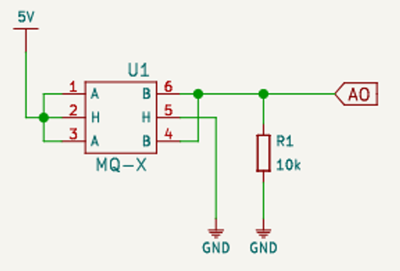
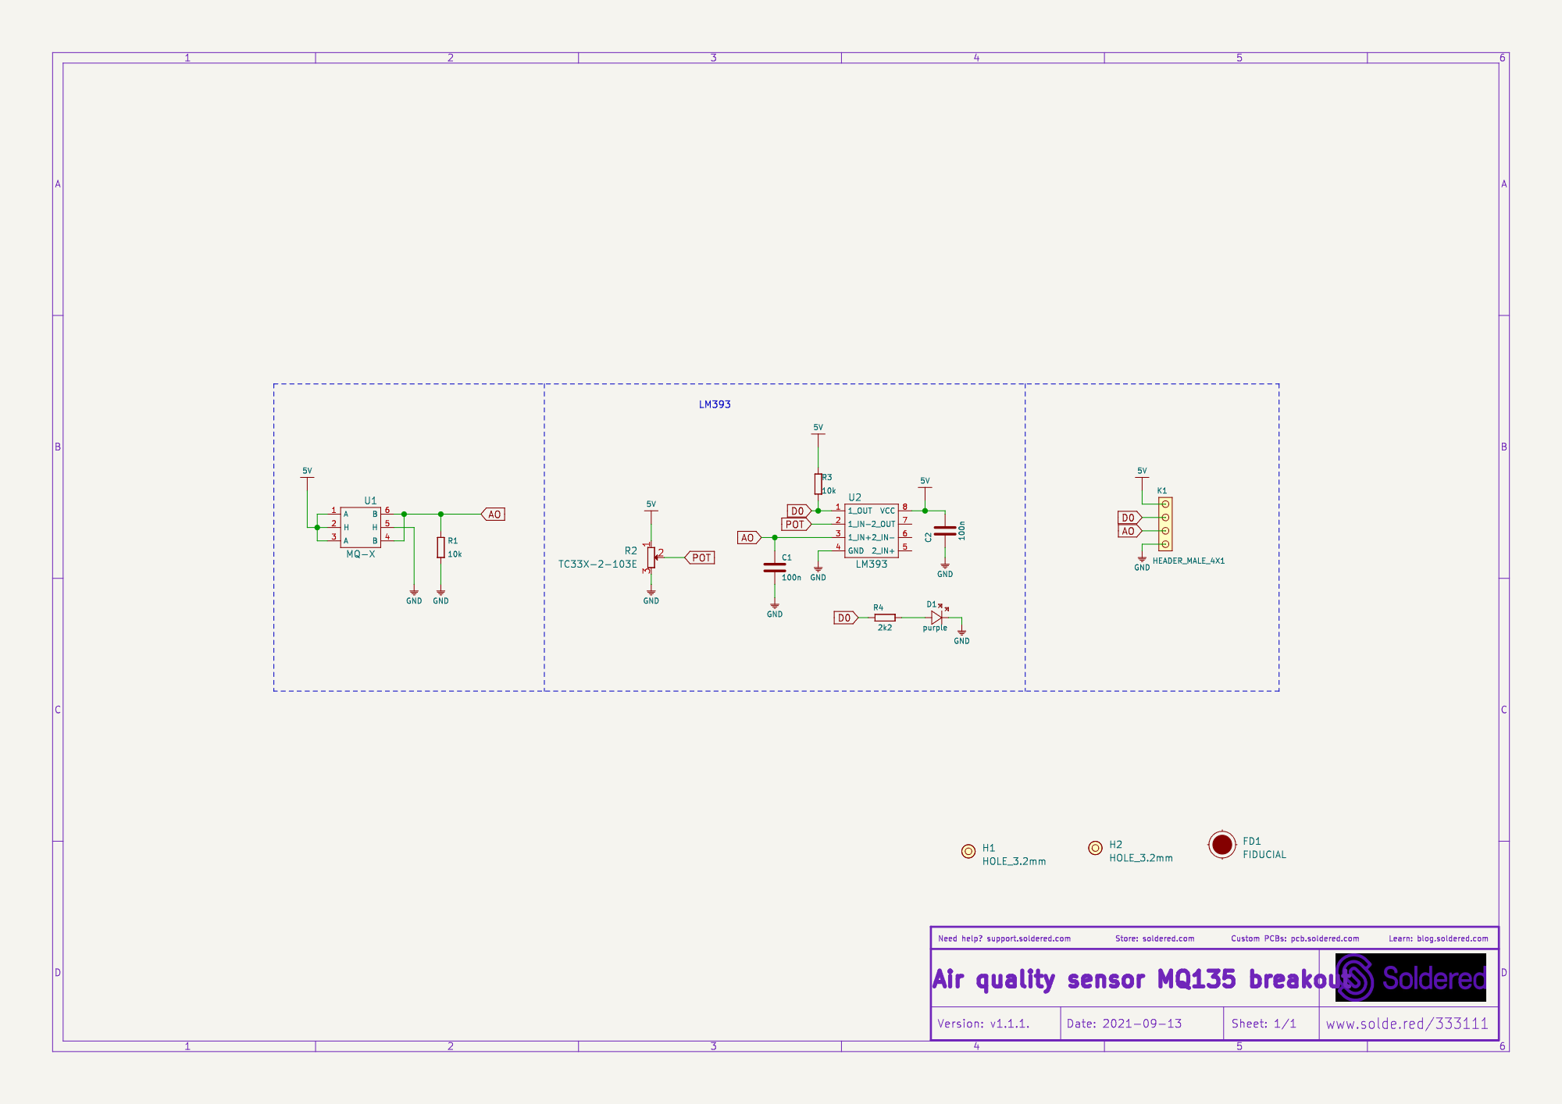
ATmega2560 | 200 mA | NEO-6M-0 GPS Chip | 50 mA |  |  | Rotary Encoder | 1 mA
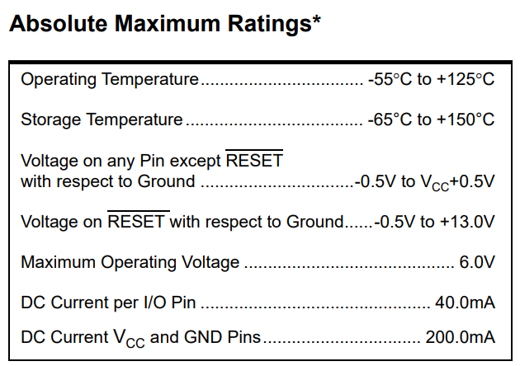
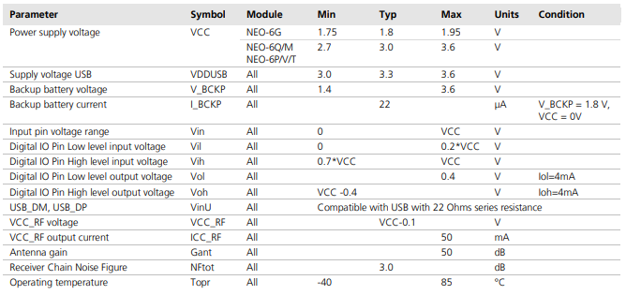
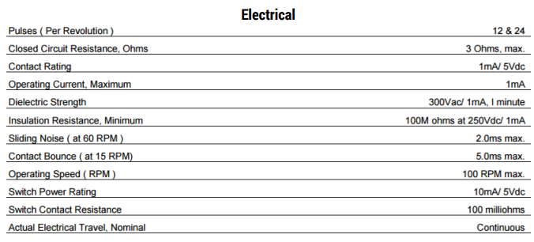

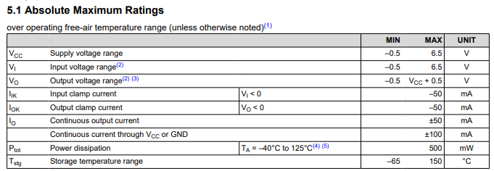
Micro SD Card Slot | 500 mA |  |  | Quadruple Bus Buffer Gate | 100 mA

MQ135 | 0.5 mA

Parts
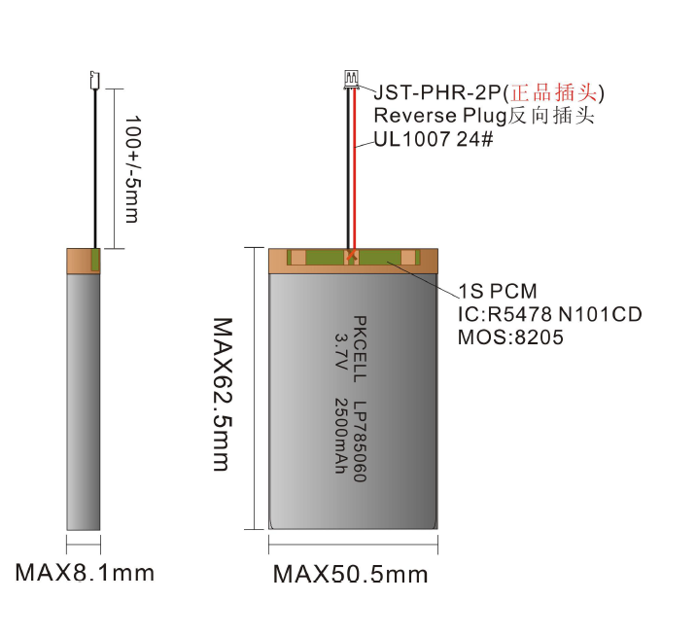
Name | Desc | PPU | Datasheet | Units
MIKROE-1120 | 3.7V Lithium Ion Battery, Rechargeable 2000mAh | $15.00 | SR674361P RevB | 2
MC34063AD | Boost, Buck, Inverting Converter | $1.32 | MC3x063A 1.5-A Peak Boost/Buck/Inverting Switching Regulators | 1
2011 Battery Adafruit | 3.7V Lithium Ion Battery, Rechargeable 2000mAh | $12.50 | https://cdn-shop.adafruit.com/datasheets/LiIon2000mAh37V.pdf | 2
328 Adafruit | 3.7V 2500mAh, Rechargeable | $14.95 | https://cdn-shop.adafruit.com/datasheets/785060-2500mAh_specification_sheet.pdf | 2
USB LiIon/LiPoly charger | Battery Charger (used to recharge batteries) | $12.50 | https://www.adafruit.com/product/259 | 1
B2B-PH-K-S | CONN HEADER VERT 2POS 2MM | $0.17 | https://www.jst-mfg.com/product/pdf/eng/ePH.pdf | 2
TPS631000DRLR | Switching Voltage Regulators 1.5-A output current, high-power-density buck-boost converter | $1.49 | https://www.ti.com/lit/ds/symlink/tps631000.pdf?ts=1730386161301&ref_url=https%253A%252F%252Fwww.ti.com%252Fproduct%252FTPS631000 | 1
RP3508BBLKGRNGRNNS | SWITCH PUSHBUTTON SPST 3A 125V | $6.37 | https://configured-product-images.s3.amazonaws.com/Datasheets/RP3508.pdf | 1
TPS562201DDCR | 7.4V to 5V Buck Switching Regulator 1 Output 2A | $0.35 | TPS562201DDCR Datasheet | 2
SPX1117M3-L-5-0/TR | 7.4V to 5V |  | https://www.mouser.com/datasheet/2/146/SPX1117-1889129.pdf | 1
TFM252012ALMA3R3MTAA | 3.3 µH Shielded Thin Film Inductor 2 A 140mOhm Max 1008 (2520 Metric) | $0.60 | Inductors for power circuits Thin-film metal magnetic material TFM-ALMA series (for automotive) | 2
CL05B104KP5NNNC | 100nF or 0.1uF capacitor | $0.10 |  | 4
CL21A106KOQNNNE | 10 uF capacitor | $0.10 |  | 2
CL21A226MQQNNNE | 22 uF capacitor | $0.12 |  | 2
RMCF0805FT10K0 | RES 10K OHM 1% 1/8W 0805 | $0.10 |  | 2
RMCF0805FT54K9 | RES 54.9K OHM 1% 1/8W 0805 | $0.10 |  | 1
RMCF0805FT33K0 | RES 33K OHM 1% 1/8W 0805 | $0.10 |  | 1

Schematic References
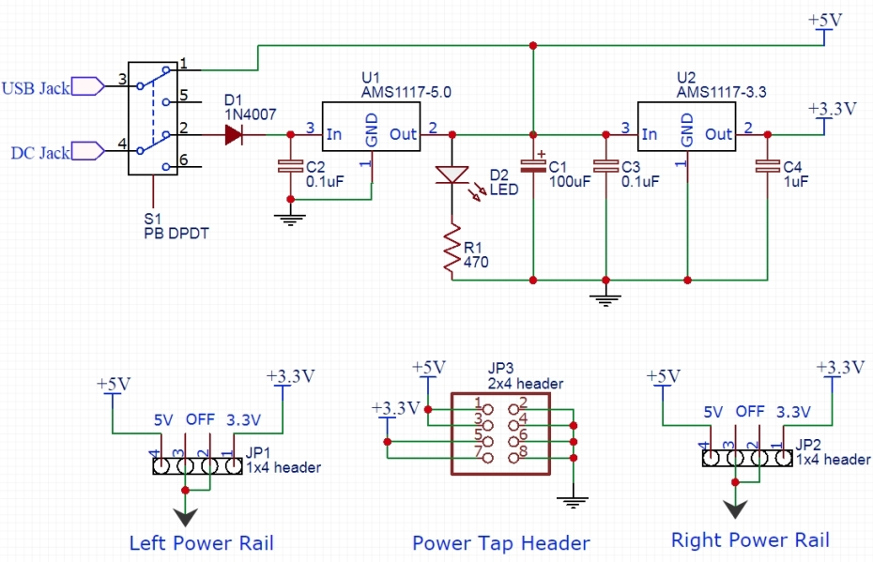
Power Supply Schematic Rough Draft | mb102-ps.pdf | (power supply module schematic) | TPS562201DDCR Datasheet | (buck switching regulator)
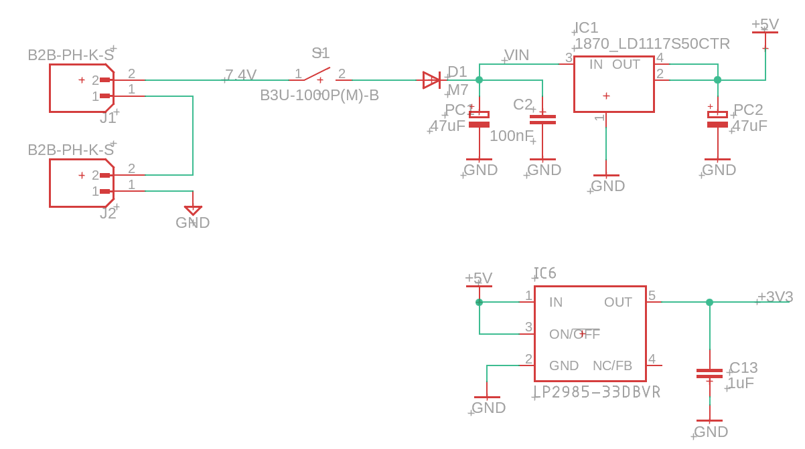
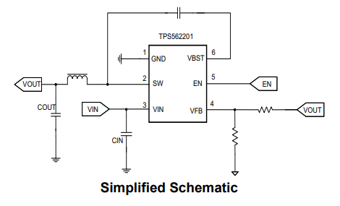

 | Buck switching power supply output and input capacitance change ? | Forum for Electronics
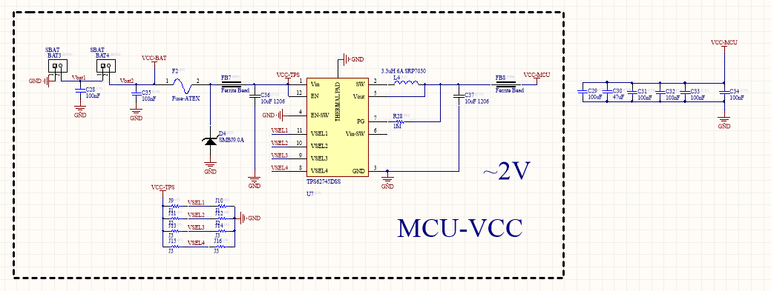
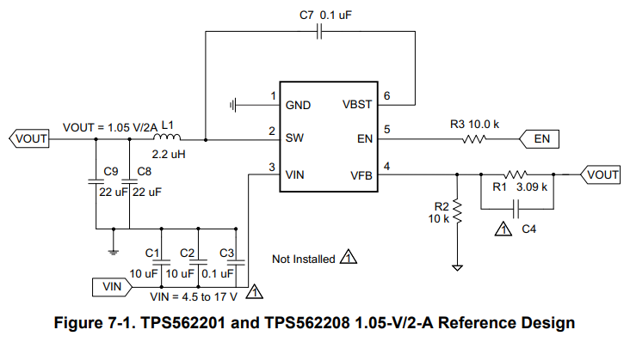

ChatGPT assistance
https://chatgpt.com/share/6737a4f6-8e40-8003-be00-a7fac4f8bdc7

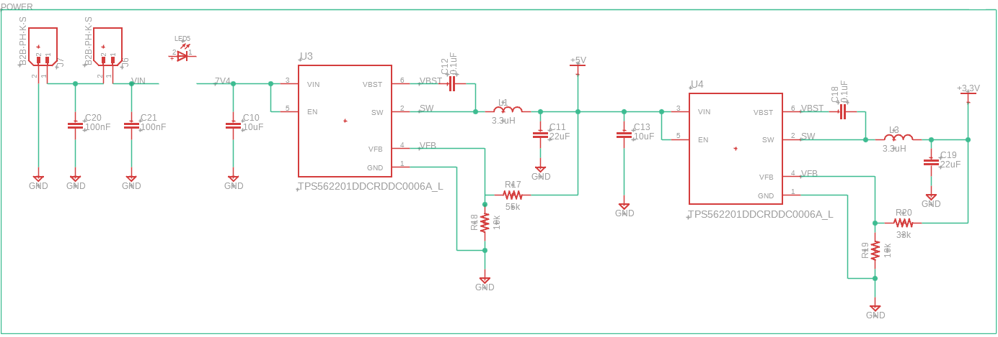
Power Supply Schematic 11/20/24
 |  |  | Breadboard Power Supply Module - ProtoSupplies

